Applied Probability-Business
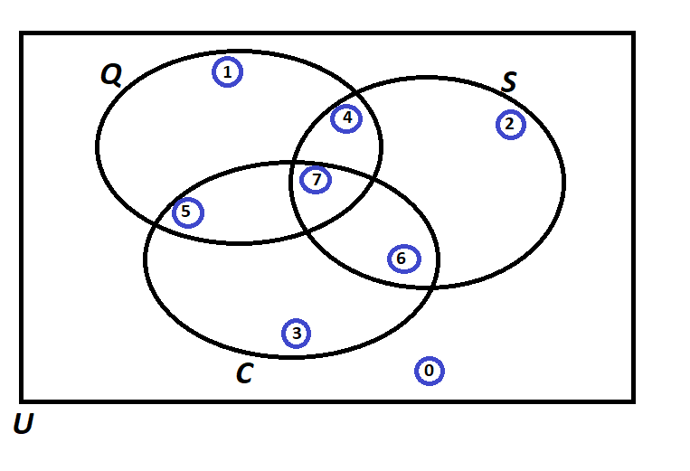
6
9
5
4
4
9
6
7
PIP | Quality Score | Process Days | Project Cost | Score |  |  | Event of Interest: | Notation for the Probability of the given event: | Count: | Probability/Percentage
1 | 993 | 3 | 263470 | 4 | Use Symbols |  | Event Q: Quality is satisfied if Quality Score > 500 | P(Q ) | 29 | 0.58
2 | 306 | 4 | 417320 | 2 | A intersect B: | A ∩ B | Event S: Speed is satisfied if Speed < 13 days | P(S ) | 22 | 0.44
3 | 172 | 23 | 80210 | 3 | A Union B: | A U B | Event C: Cost is satisfied if Cost < 234,000 | P(C ) | 26 | 0.52
4 | 252 | 13 | 460281 | 0 | A-Complement: | A' |  | Notation for the Probability of the given event: | Count: | Probability/Percentage
5 | 651 | 16 | 201680 | 5 | A Condition B: | A | B | P(Score = 0) | P(C' ) ∩ P(S' ) ∩ P(Q' ) | 6 | 0.12
6 | 414 | 3 | 199656 | 6 | (A Given B) |  | P(Score = 1) | P(Q) ∩ P(S') ∩ P(C') | 9 | 0.18 |  |  |  |  | Notation for the Probability of the given event: | Mathematical Notation
7 | 246 | 8 | 15621 | 6 |  |  | P(Score = 2) | P(Q') ∩ P(S ) ∩ P(C' ) | 5 | 0.10 |  |  |  | P(Score = 0) | P(C' ) ∩ P(S' ) ∩ P(Q' ) | P(C') x P(S') x P(Q')
8 | 820 | 15 | 89239 | 5 |  |  | P(Score = 3) | P(Q') ∩ P(S' ) ∩ P(C ) | 4 | 0.08 |  |  |  | P(Score = 1) | P(Q) ∩ P(S') ∩ P(C') | P(Q) x P(S') x P(C')
9 | 587 | 20 | 466122 | 1 |  |  | P(Score = 4) | P(Q) ∩ P(S ) ∩ P(C' ) | 4 | 0.08 |  |  |  | P(Score = 2) | P(Q') ∩ P(S ) ∩ P(C' ) | P(Q') x P(S ) x P(C' )
10 | 331 | 16 | 309484 | 0 |  |  | P(Score = 5) | P(Q ) ∩ P(C ) ∩ P(S' ) | 9 | 0.18 |  |  |  | P(Score = 3) | P(Q') ∩ P(S' ) ∩ P(C ) | P(Q') x P(S' ) x P(C )
11 | 663 | 4 | 45341 | 7 |  |  | P(Score = 6) | P(S ) ∩ P(C ) ∩ P(Q' ) | 6 | 0.12 |  |  |  | P(Score = 4) | P(Q) ∩ P(S ) ∩ P(C' ) | P(Q) x P(S ) x P(C' )
12 | 940 | 18 | 156677 | 5 |  |  | P(Score = 7) | P(C ) ∩ P(S ) ∩ P(Q ) | 7 | 0.14 |  |  |  | P(Score = 5) | P(Q ) ∩ P(C ) ∩ P(S' ) | P(Q ) x P(C ) x P(S' )
13 | 531 | 15 | 441961 | 1 |  |  |  | TOTAL: | 50 | 1.00 |  |  |  | P(Score = 6) | P(S ) ∩ P(C ) ∩ P(Q' ) | P(S ) x P(C ) x P(Q' )
14 | 563 | 4 | 377165 | 4 |  |  |  | Notation for the Probability of the given event: | Probability/Percentage |  |  |  |  | P(Score = 7) | P(C ) ∩ P(S ) ∩ P(Q ) | P(C ) x P(S ) x P(Q )
15 | 724 | 23 | 80404 | 5 |  |  | a) Of those who satisfied cost, what percentage also satisfied Speed? | P(S|C) = P(S ∩ C)/P(C ) | 0.50
16 | 866 | 24 | 339937 | 1 |  |  | b) Of those who satisfied Quality, what percentage also satisfied Cost? | P(C|Q) = P(Q ∩ C)/P(Q) | 0.55
17 | 201 | 17 | 278608 | 0 |  |  | c) Of those who satisfied Quality, what percentage also satisfied Speed but did not satisfy the Cost? | P(S ∩ C'|Q) = P( S ∩Q∩C')/P(Q ) | 0.14
18 | 324 | 4 | 149478 | 6 |  |  | d) Of those who satisfied Cost, what percentage also satisfied Speed but did not satisfy the Quality? | P(S ∩ Q'|C) = P(S ∩ C ∩ Q')/P(C ) | 0.23
19 | 395 | 4 | 250469 | 2 |  |  | e) Of those who did not satisfy Speed, what percentage satisfied Quality and Cost? | P(Q ∩ C|S') = P(Q ∩ C ∩ S')/P(S') | 0.35
20 | 707 | 15 | 423975 | 1 |  |  | f) What percentage satisfied exactly two of the three criteria? | P(C' ∩ S ∩ Q ) + P(S' ∩ C ∩ Q) + P(Q' ∩ S ∩ C) | 0.38
21 | 68 | 13 | 84278 | 3 |  |  | g) Of those who satisfied at least one of the three criteria, what percentage satisfied exactly one criterion? | P(Q U S U C)/ 1 - P (Q' ∩ S' ∩ C') | 0.41
22 | 407 | 5 | 12657 | 6 |  |  | h) Of those who did not satisfy Cost, what percentage satisfied the Speed criterion? | P(S|C') = P( S ∩ C')/ P(C' ) | 0.38
23 | 139 | 10 | 82925 | 6
24 | 278 | 18 | 312233 | 0
25 | 527 | 19 | 195477 | 5 |  |  |  |  |  |  | Probabilities | Formula | Count
26 | 188 | 25 | 112740 | 3 |  |  |  |  |  |  | P(Q ∩ C) | COUNTIFS(B2:B51,">500",D2:D51,"<234000") | 16
27 | 726 | 18 | 442165 | 1 |  |  |  |  |  |  | P(Q ∩ S) | COUNTIFS(B2:B51,"<500",C2:C51,"<13") | 11
28 | 385 | 2 | 18969 | 6 |  |  |  |  |  |  | P(S ∩ C) | COUNTIFS(C2:C51,"<13",D2:D51,"<234000") | 13
29 | 546 | 3 | 436795 | 4 |  |  |  |  |  |  | P(Q ∩ S ∩ C) | COUNTIFS(B2:B51,">500",C2:C51,"<13",D2:D51,"<234000") | 7
30 | 635 | 25 | 107469 | 5
31 | 366 | 9 | 259752 | 2
32 | 959 | 10 | 125415 | 7
33 | 514 | 20 | 261185 | 1
34 | 519 | 24 | 381388 | 1
35 | 165 | 24 | 84697 | 3
36 | 866 | 16 | 151299 | 5
37 | 531 | 10 | 118948 | 7
38 | 151 | 25 | 302254 | 0
39 | 436 | 11 | 295024 | 2
40 | 756 | 23 | 212548 | 5
41 | 515 | 17 | 162738 | 5
42 | 808 | 5 | 178599 | 7
43 | 819 | 4 | 101525 | 7
44 | 808 | 6 | 169616 | 7
45 | 916 | 16 | 277513 | 1
46 | 203 | 12 | 487052 | 2
47 | 966 | 4 | 144676 | 7
48 | 309 | 21 | 430169 | 0
49 | 677 | 4 | 265350 | 4
50 | 612 | 21 | 326357 | 1

Probability Rules
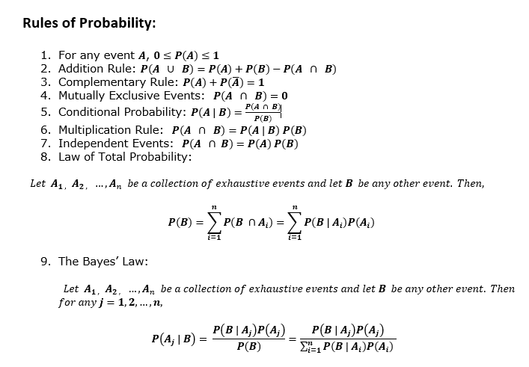
Probability

